u35spot2bs
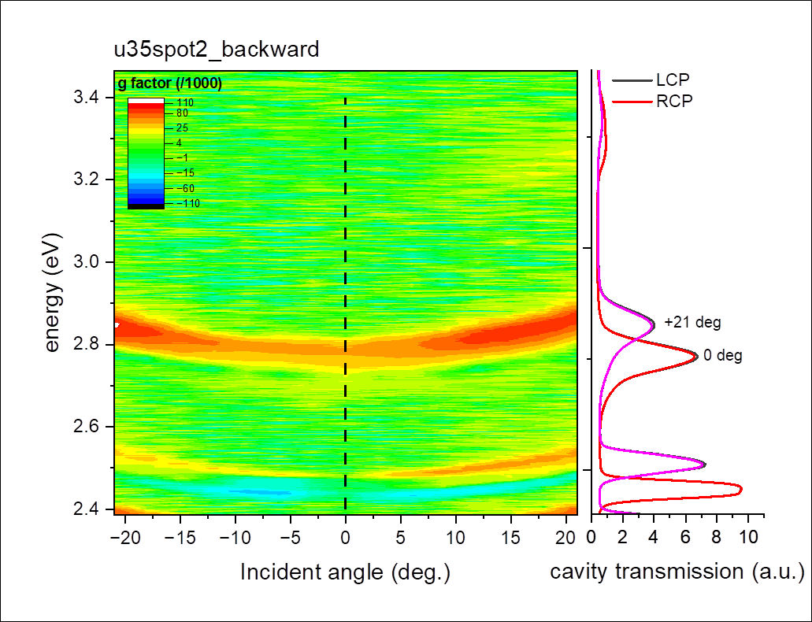
Wavelength | energy | -21 | -18 | -15 | -12 | -9 | -6 | -3 | 0 | 3 | 6 | 9 | 12 | 15 | 18 | 21
358.21649 | 3.46383 | -0.00193 | 0.0042 | -7.64E-04 | 0.00494 | -0.01052 | -0.0061 | 0.01085 | -0.01004 | 0.00291 | 0.0197 | 0.01204 | 0.00542 | 2.54E-04 | 0.00495 | 9.56E-04
358.53351 | 3.46076 | 0.00966 | -4.83E-04 | 0.00149 | 0.00153 | 0.01217 | -3.12E-03 | 1.14E-02 | -7.74E-04 | 0.00808 | -0.00104 | 5.16E-04 | 0.00178 | 0.00399 | 0.00463 | 0.00352
358.85049 | 3.45771 | -2.34E-04 | 0.0024 | 0.00149 | 9.40E-03 | -0.00819 | 0.00572 | -0.00257 | 0.00257 | 0.00206 | 0.00492 | 0.00438 | 0.00481 | 0.00742 | 0.00651 | -0.00448
359.16748 | 3.45466 | 0.01224 | 0.01251 | -0.00149 | 0.00436 | -0.00205 | -0.00964 | -0.0013 | 0.01014 | -0.00363 | -0.00156 | -0.00898 | 0.00254 | 0.00495 | 0.00484 | 0.00188
359.4845 | 3.45161 | 0.00824 | 0.01938 | 2.47E-03 | -0.00857 | 0.00128 | -0.00156 | -0.01291 | 3.09E-03 | 0.00103 | -0.00702 | 0.00181 | -3.55E-03 | -0.00523 | -0.00361 | -0.01213
359.80148 | 3.44857 | 0.00118 | -4.80E-03 | 0 | 0.0051 | 7.61E-04 | 0.0044 | -0.00645 | 0.01005 | 0.00233 | 0.008 | 0.00179 | 0.0033 | 0.01392 | 0.00242 | 0.01612
360.11847 | 3.44553 | 0.00662 | 1.27E-02 | -2.45E-04 | -0.00253 | -0.01096 | -5.15E-04 | 0.00877 | -0.0041 | 0.00359 | -0.00205 | -0.00384 | 0.01487 | -7.64E-03 | 0.0036 | 7.70E-03
360.43546 | 3.4425 | 0.01449 | -0.00835 | -0.01096 | -2.49E-02 | 0.00506 | 0.00231 | 0.00387 | 0.00179 | -5.15E-04 | -0.00413 | -2.54E-04 | -0.00979 | 0.00909 | 0.00959 | -0.00116
360.75244 | 3.43948 | 0.00605 | -0.0043 | 0.00587 | 0.00676 | 0.00177 | 0.0097 | -0.00665 | 0.01224 | -0.00721 | 0.00229 | 0.00683 | 7.57E-04 | -0.01398 | -0.00216 | -4.64E-04
361.06943 | 3.43646 | -0.00676 | 0.0076 | -0.00415 | 0.00649 | 0.01098 | 0.01446 | 0.00534 | -0.00253 | 0.00788 | -0.00127 | 2.77E-03 | 0.01166 | 0 | 0.00974 | 0.00645
361.38641 | 3.43344 | 0.00822 | -2.37E-04 | 2.43E-03 | 0.00321 | -2.25E-03 | 0.01039 | 0.01652 | 0.00628 | 0.00203 | 0.00151 | 0.00277 | -0.00296 | 0.01665 | 7.13E-04 | 4.57E-03
361.7034 | 3.43043 | -0.00914 | 0.0085 | -0.00775 | 0.00491 | 0.0159 | 0.0073 | 0.00525 | 0.0075 | -1.51E-03 | 0.00982 | 0.00599 | 0.01275 | -0.0068 | 0.00808 | 0.00159
362.02039 | 3.42743 | 0.00367 | -0.00474 | 0.00753 | 0.01186 | -4.95E-04 | 0.00749 | 0.00751 | -0.00451 | -0.00274 | -0.00627 | 0.01194 | 0.00539 | 0.01527 | -9.51E-04 | 0.00361
362.33737 | 3.42443 | -0.01552 | 0.00353 | 0.00887 | 0.00661 | -0.00371 | -0.00225 | 0.00374 | 0.01447 | 0.00649 | -0.00199 | -2.46E-04 | -0.00318 | 0.00169 | 0.00446 | -3.84E-03
362.65436 | 3.42144 | 0.00156 | 4.64E-04 | -0.0043 | 0.0039 | 0.00857 | 0.00567 | -0.0052 | 0.00819 | -0.00522 | -0.00272 | -0.0059 | 0.01188 | 0.00357 | 0.01076 | -0.00111
362.97134 | 3.41845 | -0.00135 | -9.71E-03 | 6.89E-03 | -0.01598 | -0.0054 | 0.00538 | 0.00198 | 0.00881 | 0.01108 | 0 | 0.00392 | 0.00146 | -0.0031 | 0.00371 | 0.01203
363.28833 | 3.41547 | 0.01103 | 8.00E-03 | 0.00663 | -0.00675 | 0.00751 | -0.00734 | 0.00704 | 0.00122 | -0.00172 | 0.00806 | 0.00772 | 0.00121 | 0.00166 | 9.16E-04 | -0.00375
363.60529 | 3.41249 | 0.00729 | -0.01211 | 0 | 8.13E-03 | 0.00944 | 0.00484 | 0.01216 | 0.00898 | 0.00677 | -0.00947 | 0.01671 | 0.00526 | 0.00963 | -0.00385 | 8.72E-04
363.92227 | 3.40952 | 0.00702 | 0.01265 | 0.00909 | 0.00405 | 0.00667 | 0.00409 | 9.63E-04 | -0.00596 | 0.00265 | 0.0041 | 0.00238 | -0.00616 | -0.00509 | -0.00678 | 4.29E-04
364.23926 | 3.40655 | 0.00195 | -0.00514 | 2.31E-03 | -0.01002 | 1.16E-02 | -0.00332 | 0.00238 | -0.00333 | -0.00672 | 0.00166 | -0.00733 | 0.00658 | 0.00115 | -0.00623 | -0.00364
364.55621 | 3.40359 | -0.00303 | 0.00923 | -0.02049 | -2.35E-04 | -4.00E-03 | 0.00916 | 0.01985 | 1.41E-03 | 0.00447 | 0.004 | -2.35E-04 | 0.01609 | 0.00477 | -0.00176 | -0.00275
364.8732 | 3.40063 | 0.00553 | 0.01508 | 0.01604 | -0.00232 | 0.0021 | 0.00163 | -7.00E-04 | -2.34E-04 | 0.01888 | 0.00304 | 0.01167 | 0.00276 | 2.24E-04 | 0.01415 | 0.02167
365.19019 | 3.39768 | 0.00148 | -0.00128 | 0.00804 | 3.44E-03 | 0.00346 | 0.00625 | 0.00694 | 0.00115 | 0.00419 | 0.00812 | 0.00554 | 0.00889 | -8.98E-04 | 0.00215 | 0.00331
365.50714 | 3.39474 | 0.0092 | -0.00236 | -0.00221 | -0.00548 | 0.00181 | 0.00939 | 0.00229 | 0.00567 | -3.00E-03 | 0.00161 | -0.00661 | -4.50E-04 | -8.81E-04 | 0.00871 | -0.00451
365.82413 | 3.39179 | 0.01828 | -0.00842 | -0.00173 | 0.00269 | -0.00204 | 0.00386 | -0.00928 | 0.00519 | -0.01295 | -0.0129 | 0.00495 | -0.00245 | -0.00652 | 0.00125 | 0.01032
366.14108 | 3.38886 | 0.0031 | 0.00206 | 0.00684 | -0.00155 | -0.00111 | -8.33E-03 | 8.94E-04 | 0.01315 | 0.01463 | -0.00271 | 3.33E-03 | 0.00175 | 0.01592 | -4.52E-03 | 0.01125
366.45804 | 3.38593 | -0.00471 | 0.00288 | 0.00105 | 0.00584 | -0.00308 | 0.00154 | 0.0042 | 0.0137 | -0.01035 | 8.85E-04 | 0.00175 | 0.00686 | 0.00188 | 0.00871 | 0.01254
366.77502 | 3.383 | 0.00324 | 8.09E-04 | -0.00227 | -0.00386 | 0.00152 | -0.0085 | 0.00828 | -0.00544 | -0.00218 | 0.01197 | -0.0058 | -0.00317 | 0.01586 | -6.00E-04 | 0.00489
367.09198 | 3.38008 | -0.00484 | 3.98E-04 | 4.06E-04 | 0.00522 | 0.00786 | -0.00921 | 0.00107 | -2.14E-04 | 0.00279 | -0.00769 | 0.00975 | -0.00104 | -6.04E-04 | 0.00412 | 0.01015
367.40894 | 3.37716 | 0.007 | 0.00119 | 0.01375 | -0.00618 | 0.01091 | 4.20E-04 | 0.00446 | 0.00654 | 0.0076 | -0.0021 | 0.00209 | 0.00143 | 0.00714 | 0.00329 | 0.00642
367.72592 | 3.37425 | 0.00935 | -0.00412 | 0.00889 | -0.00141 | 0.0082 | 0.00207 | -0.00145 | 0.0106 | 0.00851 | 0.00438 | -0.00411 | 0.0193 | 9.94E-03 | 0.00439 | 2.89E-03
368.04288 | 3.37135 | -0.00533 | 1.75E-03 | -0.01268 | -0.00652 | -0.0068 | 1.83E-03 | -0.00102 | 0.01083 | -0.00469 | 0.00162 | 7.43E-03 | 0.00603 | 0.01195 | 0.01473 | 0.00456
368.35983 | 3.36845 | -0.00118 | 0.00459 | 0.00324 | -0.00752 | -0.00156 | 0.0063 | 0.00781 | -0.0098 | 0.01378 | 0.01778 | 3.89E-04 | 1.24E-02 | 0.00818 | 0.00483 | 7.57E-04
368.67679 | 3.36555 | 0.0043 | 0 | 0.0067 | -0.00603 | 0.00154 | 0.00484 | 0.00372 | 0.01089 | -0.00933 | 0.00232 | 0.0072 | 0.00485 | -0.00883 | 0.01006 | 0.00282
368.99374 | 3.36266 | 0.01279 | 4.91E-03 | 0.00387 | 0.00518 | 0.0093 | -0.00226 | -5.15E-03 | 7.04E-03 | 0.00626 | 0.00132 | 0.0133 | -7.28E-04 | 0.00958 | -0.00127 | -0.00241
369.3107 | 3.35977 | 0.0093 | -1.87E-04 | 0.01824 | 0.00958 | 0.00856 | -5.55E-04 | 0.0013 | -0.00369 | 0.0056 | -0.00753 | -0.00655 | 0.00801 | 0.00388 | 0.00269 | -5.88E-03
369.62766 | 3.35689 | 0.00191 | -0.00333 | 0.00608 | -0.00371 | 0.00284 | -0.00553 | 3.05E-03 | 0.00863 | 0.00613 | 0.00107 | 8.50E-03 | -0.00261 | 0.00835 | 0.01734 | -0.00656
369.94461 | 3.35402 | 0.00114 | -9.16E-04 | 7.05E-04 | -0.00657 | 0.00954 | 0.0014 | 0.00701 | 8.75E-04 | 0.00282 | 1.74E-04 | 0.01013 | 0.00791 | 0.00344 | -6.54E-03 | -5.43E-04
370.26157 | 3.35114 | 0.00378 | 0.00237 | 0.0098 | -5.25E-03 | 0.0022 | 0.00525 | 6.84E-04 | -0.00581 | 3.41E-04 | -6.82E-04 | 0.00474 | 0.01137 | -0.00541 | 0.00104 | -0.00304
370.57852 | 3.34828 | -1.88E-04 | 9.12E-04 | 0.00414 | -0.00884 | 0.00464 | 8.27E-03 | 0.01073 | 1.66E-04 | -6.63E-04 | -9.88E-04 | -0.00213 | 0.0051 | 0.00737 | 0.00257 | 0
370.89548 | 3.34542 | -0.00728 | 5.24E-03 | 0.00429 | 0.00506 | -0.00242 | 1.61E-04 | -0.00418 | -0.00369 | -0.00402 | 0.0067 | 0.00846 | 0.00757 | 0.00558 | 0.00322 | -0.00423
371.21243 | 3.34256 | 0.00333 | 0.01085 | 0.00437 | -0.0029 | 0.00789 | 0.00486 | 0.00345 | -0.0064 | -3.12E-04 | -2.80E-03 | 0.00407 | 0.0041 | 0.00616 | -0.00169 | 0.00435
371.52936 | 3.33971 | -0.00767 | 0.00478 | 9.04E-03 | -0.00396 | -0.00387 | -0.00291 | 0.00318 | -0.00731 | 0.01 | 0.00701 | 0.00657 | -0.0011 | 0.01607 | 4.49E-03 | 1.21E-02
371.84631 | 3.33686 | 0.00401 | 0.00631 | -0.00927 | 0.0011 | 0.00621 | 0.00416 | 0.00385 | 0.00929 | -0.00148 | -0.01197 | 0.01176 | 0.00902 | 0.00712 | 0.0119 | 0.01309
372.16327 | 3.33402 | -0.00557 | -0.01342 | 0.00771 | 0.00371 | 0.01124 | 0.00481 | 0.00275 | -0.0053 | -0.00575 | 0.0029 | -0.00367 | -0.00227 | -0.00173 | 0.01208 | 0.00352
372.48019 | 3.33118 | 1.48E-02 | 5.54E-03 | 0.00309 | -0.00428 | 0.00589 | 5.70E-04 | 1.27E-03 | -0.00168 | -1.41E-04 | 0.00607 | 0.00694 | 0.00359 | 0.01831 | 0.01124 | 0.00987
372.79715 | 3.32835 | -0.00721 | -0.00844 | -0.00565 | 0.00286 | -1.44E-04 | 0.00911 | 0.00703 | 0.00192 | 0.01252 | -0.00251 | 0.00795 | 0.00266 | 0.00338 | 0.0045 | 0.00835
373.11407 | 3.32552 | 0.00525 | -1.88E-03 | 0.00256 | 0.0147 | 0.00483 | 0.00762 | 0.00364 | 0.00831 | -0.00378 | -0.01129 | 0.0046 | 0.01355 | 9.14E-04 | 6.38E-04 | 0.00938
373.43103 | 3.3227 | 0.00686 | 1.19E-03 | 0.0043 | 0.00251 | -0.0062 | 0.006 | 0.00425 | -3.93E-04 | 0.00329 | 0.00807 | -0.00605 | 6.44E-03 | 0.01131 | 0.00534 | 0.01394
373.74796 | 3.31988 | 0.0092 | 0.00184 | -0.0057 | 0.00394 | -9.77E-04 | -0.00255 | -5.22E-04 | 0.00632 | -0.00209 | -0.00304 | 2.44E-03 | 0.00771 | 0.00751 | 0.00187 | -1.72E-03
374.06491 | 3.31707 | 0.00522 | 0.00515 | 0.0088 | -0.01862 | -0.00345 | 0.00252 | 0.00398 | -5.05E-04 | -0.00217 | -3.52E-03 | 1.34E-03 | 0.00623 | 0.00882 | 3.08E-04 | 0.00994
374.38184 | 3.31426 | 0.00266 | 4.12E-03 | -0.00327 | 0.01081 | -0.00328 | 0.00524 | -1.27E-04 | -0.00151 | 0.00708 | -0.00823 | 0.00664 | -0.00153 | 0.00603 | 0.00458 | 9.49E-03
374.69879 | 3.31146 | 0.00693 | -0.00163 | -0.0014 | -0.00114 | -8.13E-04 | 0.00168 | 2.75E-03 | 4.92E-04 | 0.0051 | 0.00306 | -7.90E-04 | 0.00182 | -0.00189 | 0.0075 | 0.01865
375.01572 | 3.30866 | -0.01436 | -0.00291 | 0.00481 | 0.00471 | -0.00121 | 7.70E-04 | 0.00173 | 0.0045 | -0.00111 | 0.00464 | 0.0013 | -9.65E-04 | 0.01213 | 0.0099 | 0.01368
375.33264 | 3.30587 | 0.0086 | 0.01129 | 0.00709 | 0.0061 | -9.32E-04 | 0.00547 | -0.0011 | 0.00436 | 0.00463 | 8.48E-03 | 0.00916 | -0.00177 | 0.00285 | 7.31E-04 | 0.01884
375.64957 | 3.30308 | 0.00435 | -0.00189 | -0.00152 | -0.00365 | -8.49E-03 | 0.0062 | 0.00327 | -0.00882 | 0.00181 | -0.00693 | 0.00154 | 0.00977 | 0.01225 | 0.00865 | 0.01428
375.96652 | 3.30029 | 0.0024 | 0.00327 | 0.00844 | -0.0101 | 0.01082 | 5.88E-03 | 4.80E-04 | 0.00438 | 5.01E-03 | 0.00232 | -0.00331 | 0.00702 | 0.00658 | 0.01286 | 7.21E-03
376.28345 | 3.29751 | 0.01277 | -0.00155 | 0.00508 | 0.0088 | -0.00366 | 5.97E-03 | 0.00535 | 4.71E-04 | -0.00474 | 0.01053 | -0.00341 | -0.00255 | -9.72E-04 | 0 | 0.0056
376.60037 | 3.29474 | 0.00507 | 0.00858 | 0.00722 | 0.00167 | 0.00144 | -0.00259 | 0.00344 | 0.00141 | 9.76E-03 | 0.00181 | 0.00461 | 7.97E-04 | 0.00233 | 0.005 | 1.43E-04
376.9173 | 3.29197 | -6.33E-04 | 0.00409 | 1.46E-04 | -2.76E-04 | -0.00686 | -0.00568 | -7.05E-04 | 3.47E-04 | 1.05E-03 | -0.01018 | 0.00697 | 0.0042 | 0.00978 | 0.00615 | 0.01323
377.23422 | 3.2892 | 0.00822 | 8.99E-04 | 0.00261 | 0.00219 | -4.65E-03 | 0.00356 | 0.00527 | -0.00161 | 0.00638 | 0.00203 | 0.00979 | 4.85E-03 | 0.00856 | 0.0061 | 0.00742
377.55115 | 3.28644 | -1.11E-03 | 0.00465 | 0.00258 | 0.00313 | 0.00684 | -0.00733 | 8.19E-04 | 0.00411 | 0.00313 | 0.00818 | 7.74E-03 | 0.01008 | 0.0112 | 0.01071 | 0.0175
377.86807 | 3.28369 | 0.00253 | 7.38E-04 | 7.10E-04 | -0.00391 | -0.00477 | 4.88E-04 | 8.24E-03 | 0.00183 | -0.00621 | 8.24E-04 | 0.00708 | 0.00306 | 0.00207 | 0.00944 | 0.00972
378.185 | 3.28093 | 0.0032 | 8.45E-03 | 0.00183 | -0.01217 | 0.0042 | -0.00618 | -5.79E-04 | -0.00534 | -0.01285 | 0.00236 | -0.00985 | 4.29E-03 | 0.00848 | 0.00646 | 0.01561
378.50189 | 3.27819 | 0.01971 | 0.00324 | 0.00784 | 0.00319 | 0.00114 | 2.31E-03 | -0.00719 | 0.00284 | 0.00593 | -0.00481 | -0.0071 | -0.00274 | 3.32E-03 | 0.00341 | 0.01256
378.81882 | 3.27544 | 0.00289 | -7.36E-04 | -1.80E-03 | -0.00683 | -0.00126 | 0.00928 | 0.00785 | 0.00147 | 2.27E-04 | 0.0064 | 0.00179 | 9.25E-03 | 0.01327 | 0.01285 | 0.00807
379.13574 | 3.27271 | 0.01082 | 0.00588 | 6.87E-03 | 8.09E-03 | 2.63E-03 | 0.00324 | -0.00369 | 0.0026 | -0.00784 | -6.47E-03 | 0.00261 | 9.40E-03 | 4.00E-03 | 0.01235 | 0.01492
379.45267 | 3.26997 | 0.01314 | -0.00103 | 0.00831 | -3.87E-04 | -0.00112 | 4.07E-03 | -0.00275 | 0.00326 | 0.0093 | -5.07E-03 | 0.0027 | 0.00796 | 0.00953 | 0.00654 | 0.01967
379.76956 | 3.26724 | 0.00411 | 7.74E-03 | -0.00287 | -0.00359 | 0.00358 | -0.00938 | 4.57E-04 | 0.00135 | -0.00382 | -0.00171 | -2.32E-04 | 1.25E-02 | 0.01516 | 1.32E-02 | 1.64E-02
...

